Test Cases - Funtional
INDEX

TC_No | Test Case | Test Description | Expected Result | Actual Result | Result | Defect JIRA # | Comments
1 | DELV-19793 | CR 365 - Fix Site Code Gaps report to check SNow Location Code and not the SAP Site Code | The Site code should be picked from the Location Code instead from the SAP Site Code | The Logic has been changes respectivelly, the Site Code is picked from the Location Code. | Pass
2 | DELV-19792 | P&G:GDPR-CR 359 - Remove "In Stock" devices from the Hardware Ownership Accuracy Calculations | Here is the ticket for CR 359 - Remove "In Stock" devices from the Hardware Ownership Accuracy Calculations. Let’s review this requirement after CMDB change is completed. The priority for Oct release is CMDB & CR 369 (8852), but sending this in Numerify so we can review it and keep track of how complex/simple it is and align on the release date (probably in November). Please confirm if additional details are needed for this change. Update the Ownership Accuracy calculations in both the Dashboard (Ownership Accuracy Metric Report Filter (Ownership Gaps report) ​The current version of the report considers "In stock" devices without valid owners as a gap. This doesn't reflect real life wherein devices only have owners once issued from the storeroom. ~* Please see Zendesk Support tab for further comments and attachments.~ | In Stock' has been removed in the Ownership calcualtions | Pass
3 | DELV-19734 | RE: HELP NEEDED: Change in Numerify report (Application Governance - iRisk tab): iRisk ID & Assessment Status fields | Numerify Team, This is a change request we need to review to include it in Oct release. Change request: Add in the iRisk Tab, in the iRisk – Application Governance report layout the following 2 fields that current are available in iRisk (Archer) in the Step 1 Tab. iRisk ID Assessment Status These 2 fields are already included in the monthly extract that Archer is sending to Numerify. Attached is the file with the data that is being sent today for your information. Please confirm: If these 2 fields can be included easily? What additional information is needed from your side? Let’s review this next Monday in our meeting in the items for October release. Thanks, | Irisk ID and Assessment Status attribues are added to the Irisk Tab in the Application Goverance report next to Application ID | Pass
4 | DELV-19761 | CR 386 - GDPR Compliance Report - remove filter on details of processing activities - Oct Release | Please take a look on this CR and confirm who complex/simple it is to include it Oct release. CR 386 - GDPR Compliance Report - remove filter on details of processing activities - Oct Release the filter applied on the table Details of Processing activities of the views All Controls and >3 Months Controls should be removed | Respective
5 | DELV-19795 | P&G: CR 369 - Data privacy field simplification - Oct Release | Here is the CR for ITAM we need to include in Oct release: Remove the following fields from the GDPR application tracker view and all calculations of compliance: * LEs receiving the service * Data retention period in days * Automated decision making * Reason for data collection If these fields are used in any other GDPR reports sourcing from Mega/ServiceNow please also remove them. ~* Please see Zendesk Support tab for further comments and attachments.~

 | SELECT COALESCE(SRC1.u_pg_site_code,'UNSPECIFIED'), LKP.site_code_c FROM png_mdsdb.cmdb_ci_final SRC LEFT JOIN png_mdsdb.cmn_location_final SRC1 ON SRC.location=SRC1.sys_id AND SRC.sourceinstance=SRC1.sourceinstance LEFT JOIN pgcmdb_mdwdb.d_configuration_item TRGT ON SRC.sys_id=TRGT.row_id AND SRC.sourceinstance=TRGT.source_id LEFT JOIN pgcmdb_mdwdb.d_location LKP ON SRC.location=LKP.row_id AND SRC.sourceinstance=LKP.source_id WHERE COALESCE(SRC1.u_pg_site_code,'UNSPECIFIED')<>LKP.site_code_c AND SRC.cdctype='X' and SRC1.cdctype='X' |  |  | SELECT COALESCE(SRC1.u_pg_site_code,'UNSPECIFIED'), LKP.site_code_c FROM png_mdsdb.cmdb_ci_final SRC LEFT JOIN png_mdsdb.cmn_location_final SRC1 ON SRC.location=SRC1.sys_id AND SRC.sourceinstance=SRC1.sourceinstance LEFT JOIN pgcmdb_mdwdb.d_configuration_item TRGT ON SRC.sys_id=TRGT.row_id AND SRC.sourceinstance=TRGT.source_id LEFT JOIN pgcmdb_mdwdb.d_location LKP ON SRC.location=LKP.row_id AND SRC.sourceinstance=LKP.source_id WHERE COALESCE(SRC1.u_pg_site_code,'UNSPECIFIED')=LKP.site_code_c AND SRC.cdctype='X' and SRC1.cdctype='X'

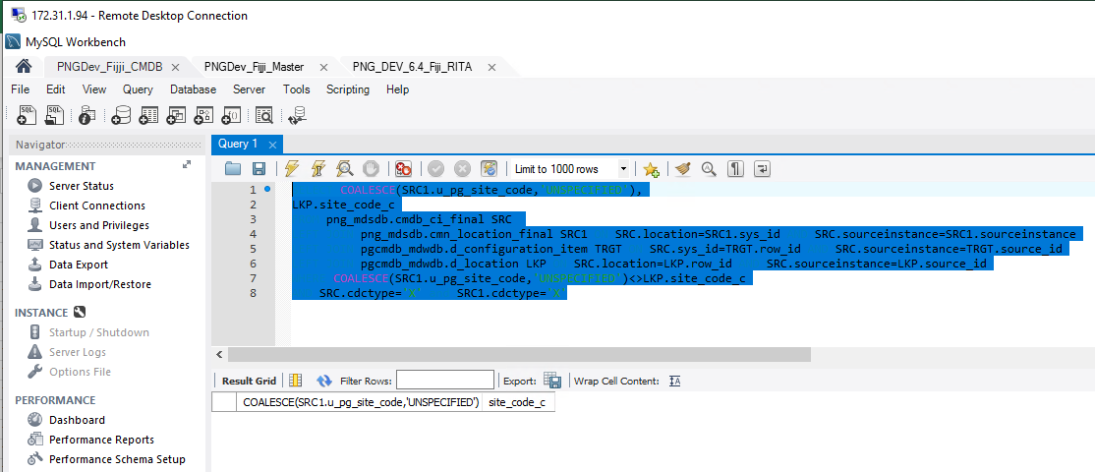
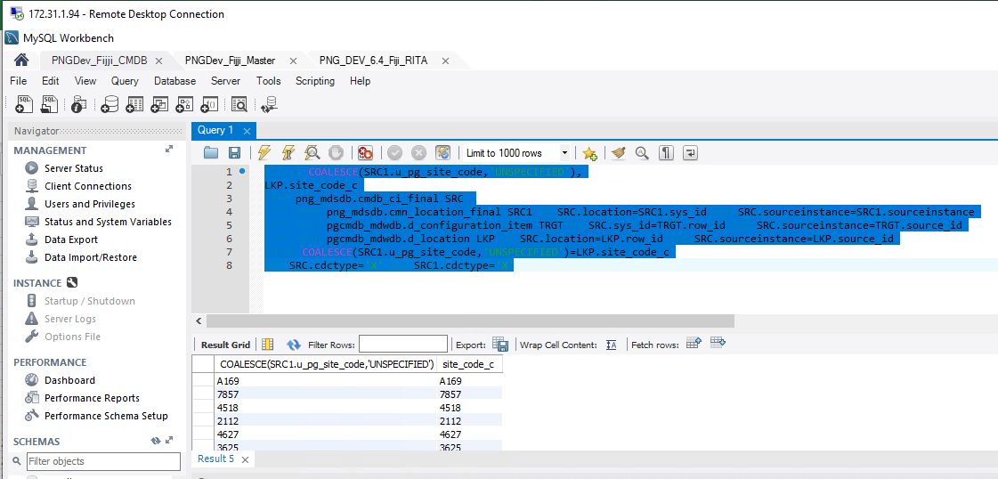

 | Hardware Dashboard | Now the Values are populated respectivelly

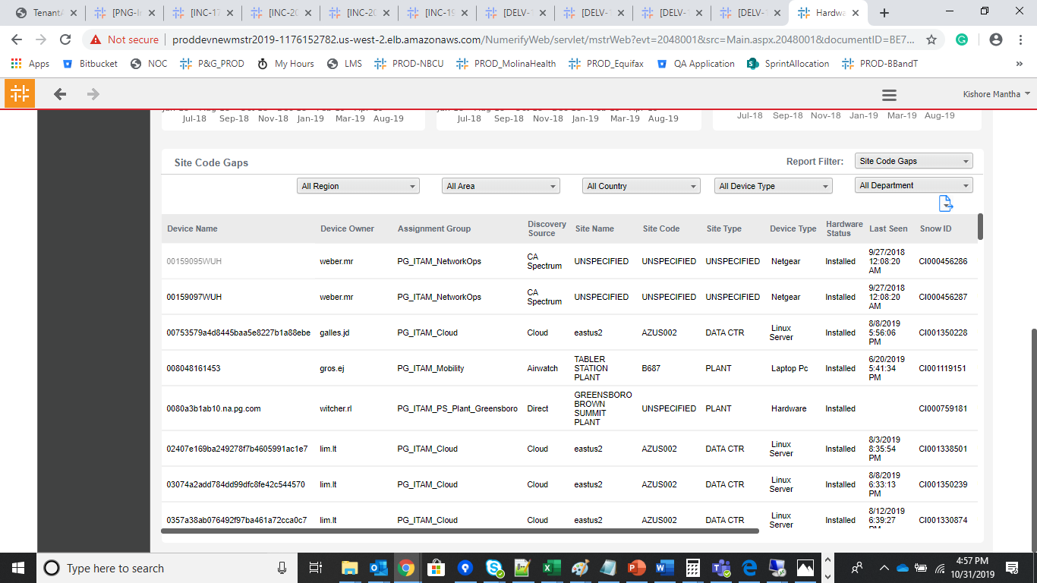

DELV-19792

ITAM_Hardware Governance_c cube |  |  | ITAM _Hardware Snapshot c cube

Hardware Status 'In Stock' has been removed for the Owner Ship Accuracy Calculations

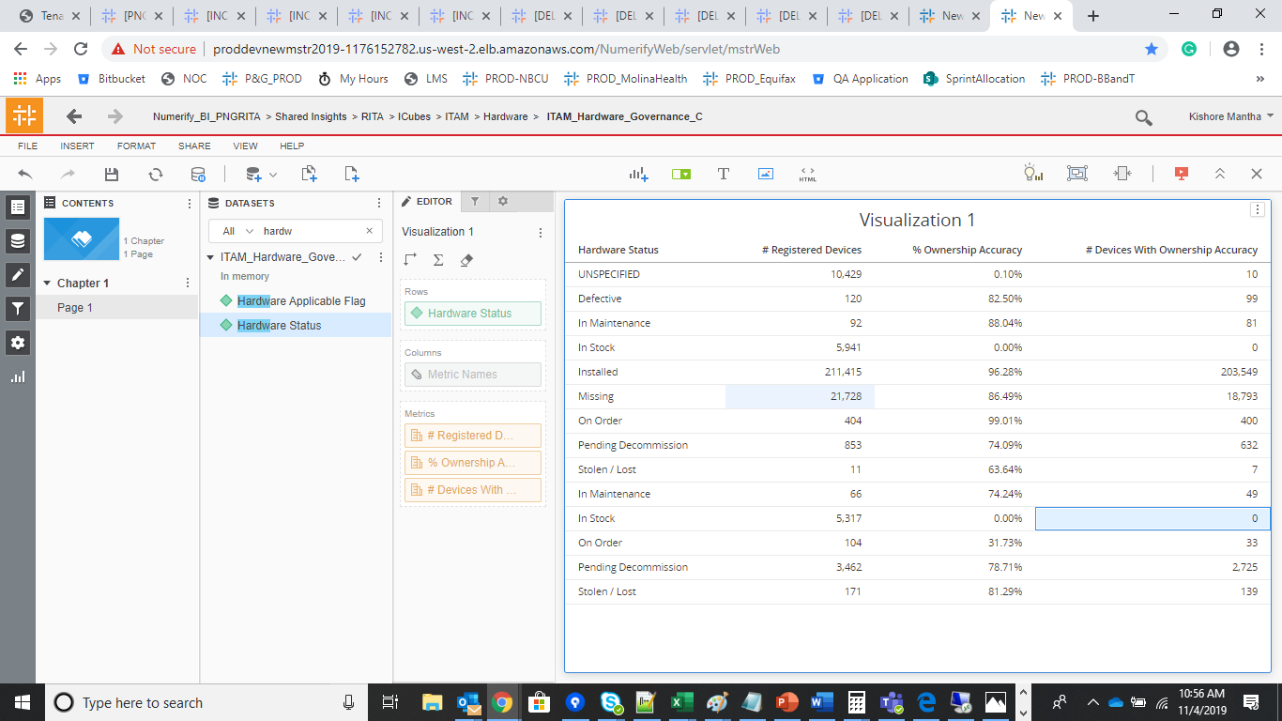
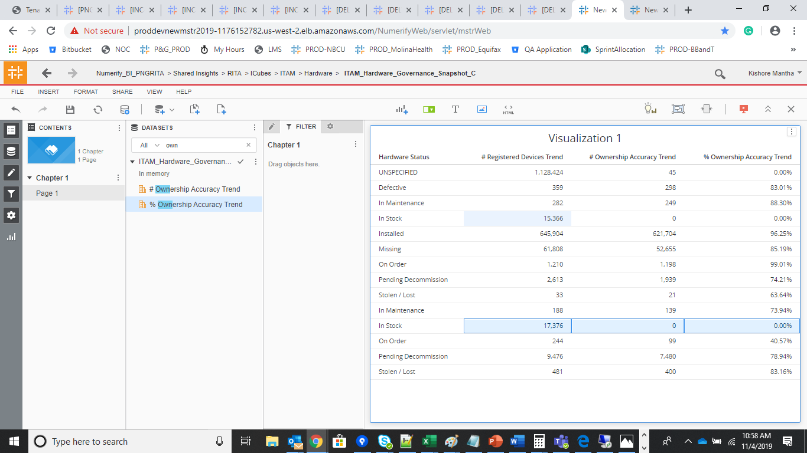

 |  |  |  |  |  | SELECT SRC.name,SRC1.u_pg_site_code,SRC1.u_active,SRC1.u_pg_site_type, ( CASE WHEN (SRC1.u_pg_site_code002 IS NULL OR SRC1.u_pg_site_code002 <>'') THEN 'N' WHEN SRC1.u_active ='0' THEN 'N' WHEN SRC1.u_pg_site_type NOT IN ('COUNTRY','AREA','REGION','GROUP','SUB GROUP') THEN 'N' ELSE 'Y' END) AS source,TRGT.site_accuracy_flag_c , Count(1) as CNT FROM png_mdsdb.cmdb_ci_final SRC LEFT JOIN png_mdsdb.cmn_location_final SRC1 ON SRC.location=SRC1.sys_id AND SRC.sourceinstance=SRC1.sourceinstance AND SRC1.cdctype<>'D' LEFT JOIN png_mdwdb.d_configuration_item TRGT ON SRC.sys_id=TRGT.row_id AND SRC.sourceinstance=TRGT.source_id LEFT JOIN png_mdwdb.d_location LKP ON SRC.location=LKP.row_id AND SRC.sourceinstance=LKP.source_id WHERE SRC.name IN ('pf0dmv4c-w10','pf0n8tr5-w10') and SRC.cdctype<>'D' group by 1,2,3,4,5,6;

Hardware Dashbaord |  |  | Ownership Gaps Filter
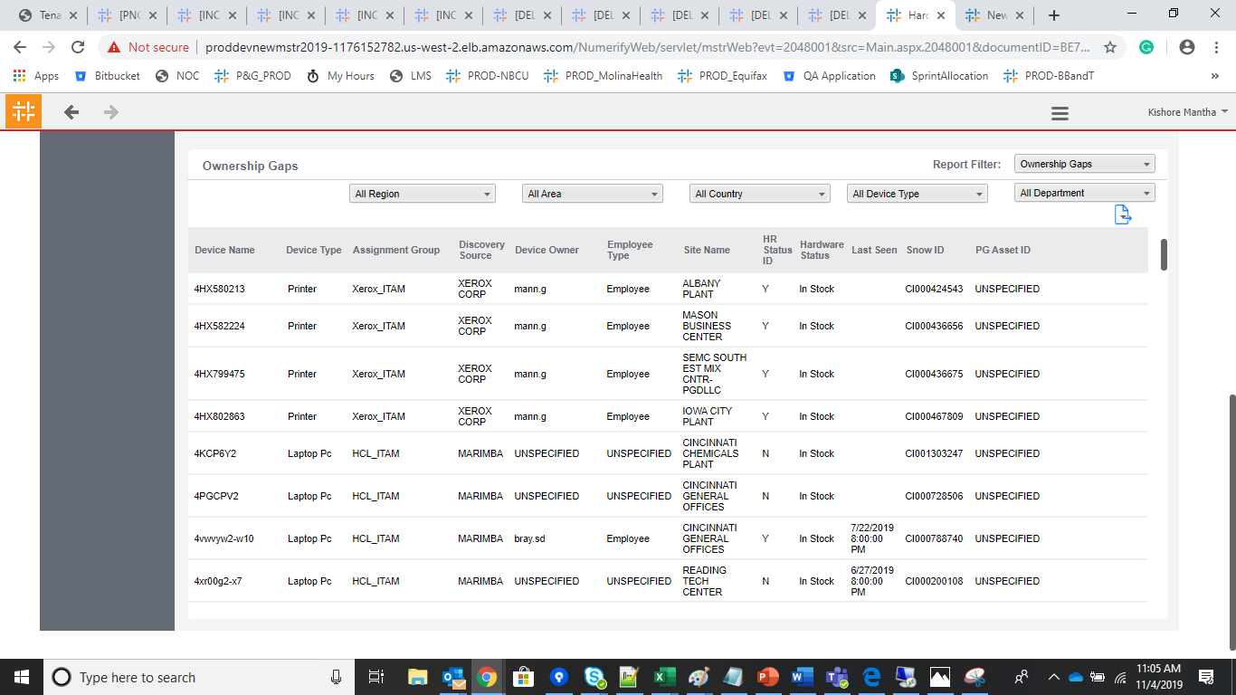
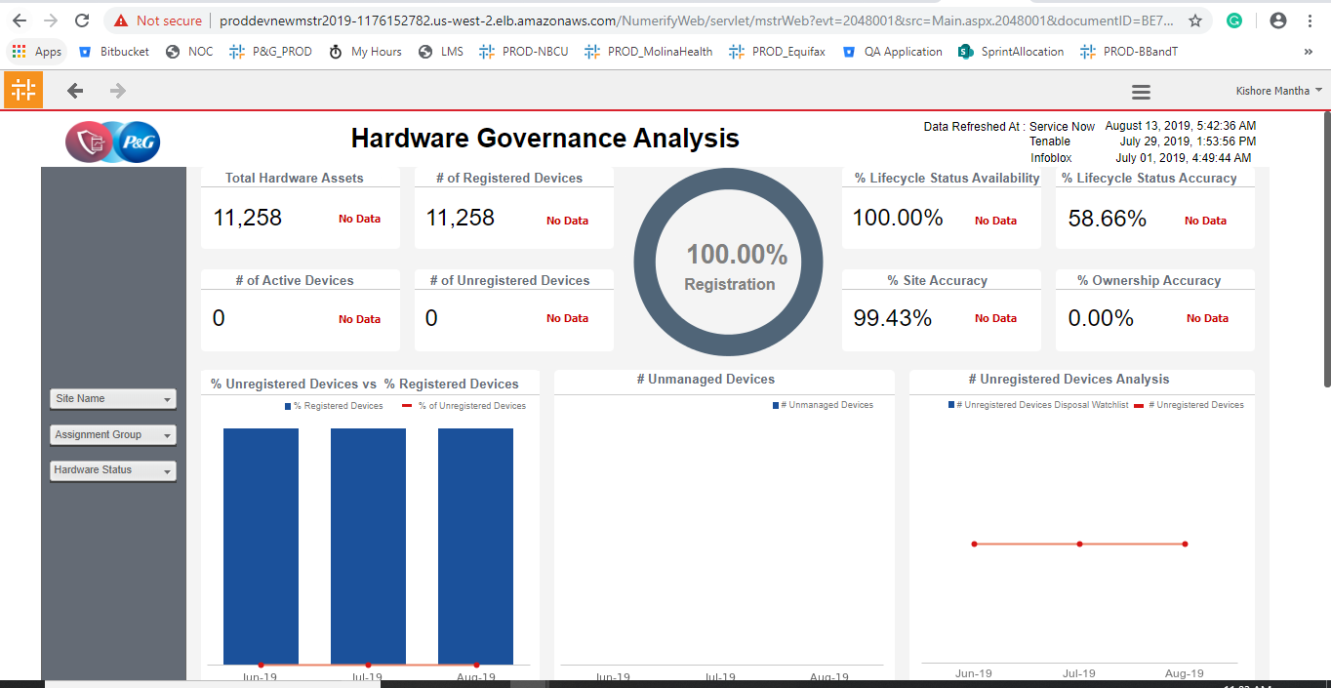
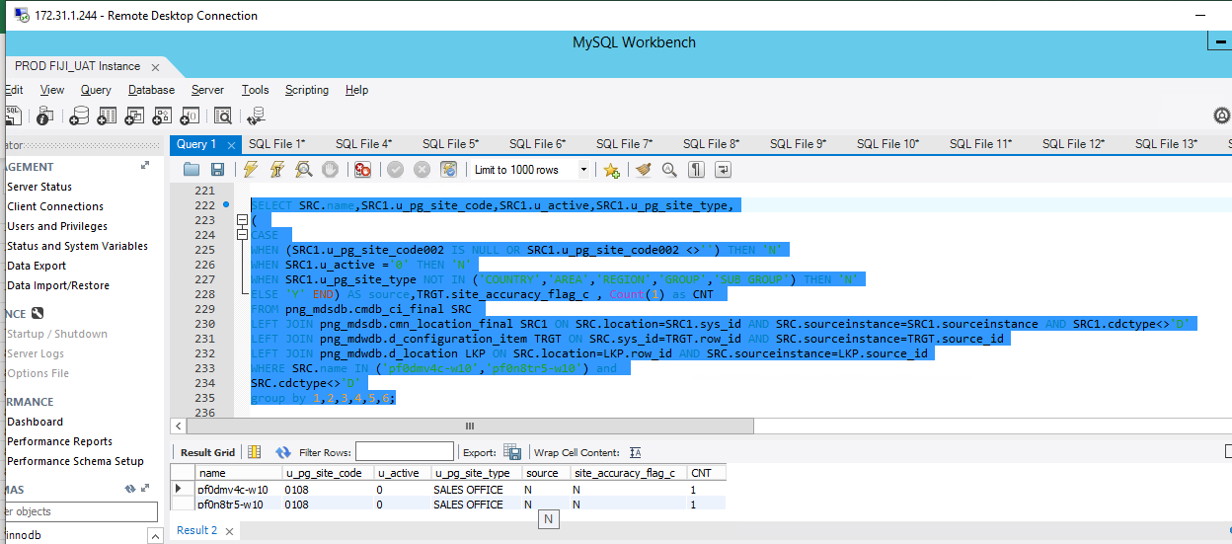

DELV-19734

Irisk ID and Assessment Status attribues are added to the Irisk Tab in the Application Goverance report next to Application ID |  |  | iRisk ID has been picked up from the application_assessments_infosec_checklists source | the Same Irisk id has been displaying in the Infosec and privacy VI | Irisk ID: 021A0D015B297EC5 0340098D540A60E4

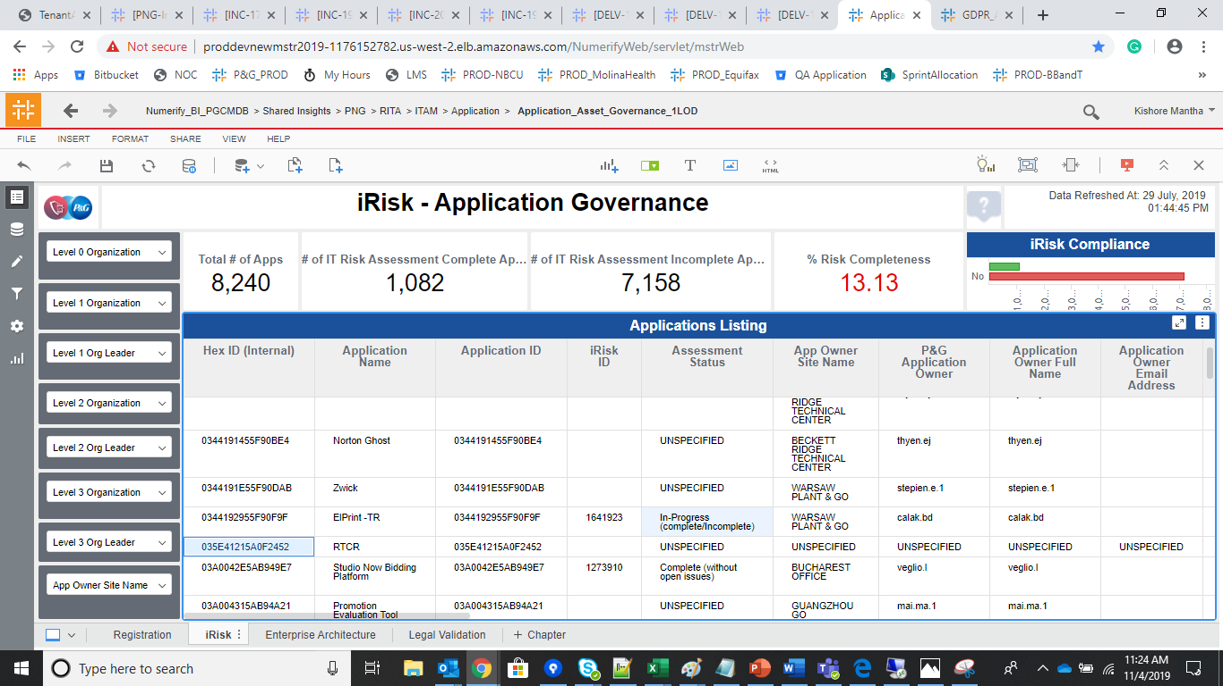
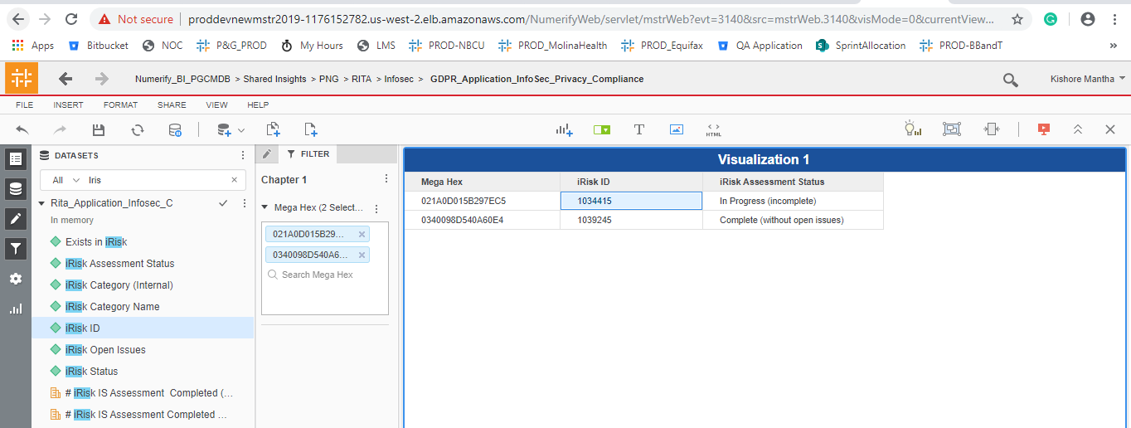

DELV-19761

Removed the Filters in the 'Details of Processing Activities' Section

 | All Controls Tab |  | > 3 Months Tab | Age class filter will be applied for > 3 Months
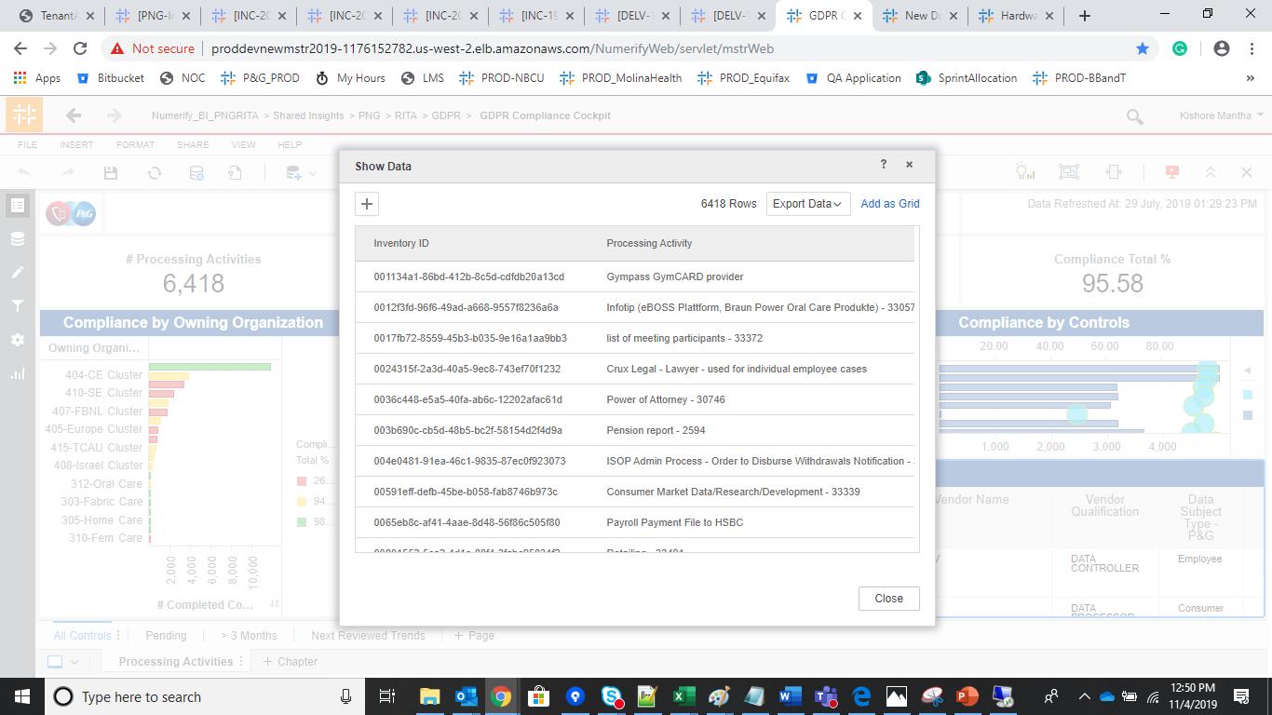
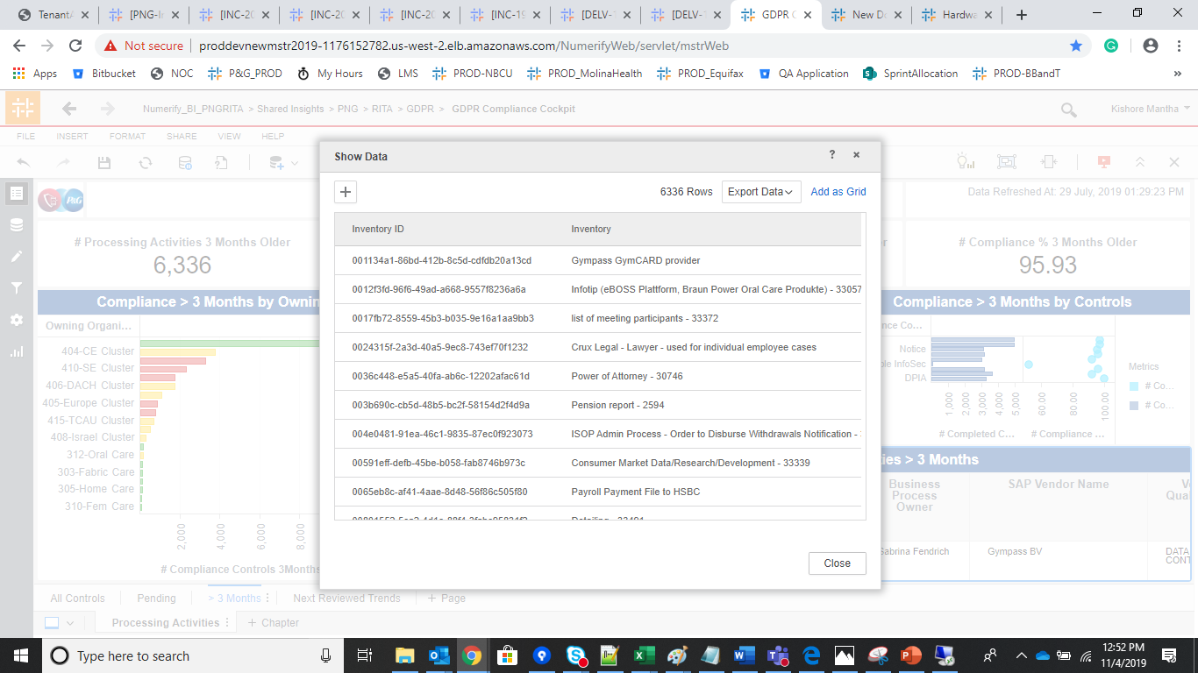

Export to Excel' Functionality in 'All Controls' Tab

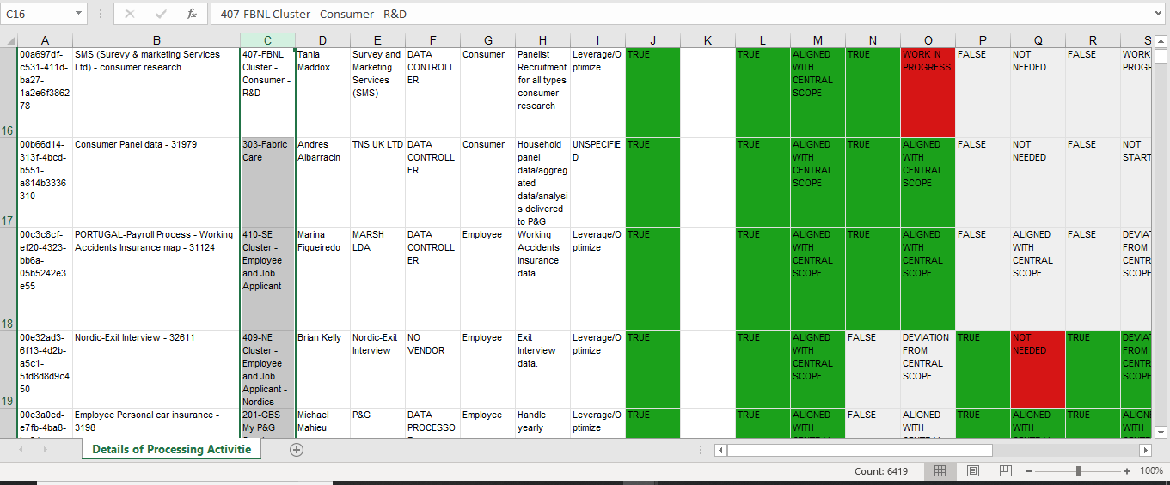

DELV-19795

